ANUGRAH (BAG, CUP, BOX)
DATE | INV NO. | DESCRIPTIONS | AMOUNT | BILLS | PRICE | SUBTOTAL | TOTAL
27-Nov-2025 | 2377 | PAPERBAG HANDLE L BROWN | 400 | 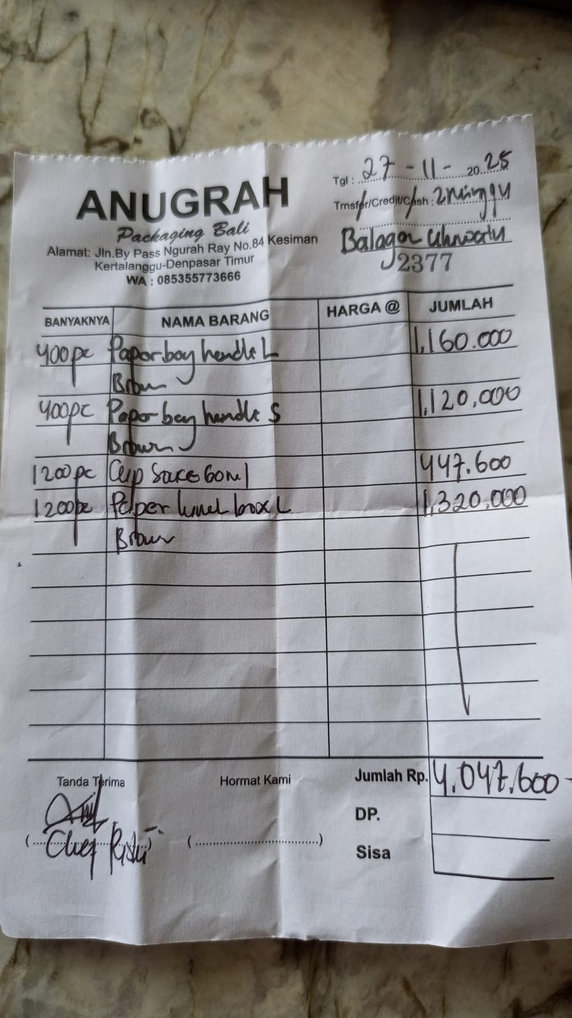 | IDR 2,900 | IDR 1,160,000 | IDR 4,047,600
 |  | PAPERBAG HANDLE S BROWN | 400 |  | IDR 2,800 | IDR 1,120,000
 |  | CUP SAUCE 60 ML | 1200 |  | IDR 373 | IDR 447,600
 |  | PAPER LUNCH BOX L BROWN | 1200 |  | IDR 1,100 | IDR 1,320,000
 |  |  |  |  |  | IDR - | IDR -
 |  |  |  |  |  | IDR -
 |  |  |  |  |  | IDR -
 |  |  |  |  |  | IDR -
 |  |  |  |  |  | IDR - | IDR -
GRAND TOTAL |  |  |  |  |  |  | Rp4,047,600

